1. Title Page
[Instacart Analysis]

Project Name: Instacart Analysis
Date: 7/17/23
Analyst Name: Brian Winkler

Contents:
Population Flow
Consistency checks
Wrangling steps
Column derivations
Visualizations
Recommendations

2. Population Flow
Title page

Population flow

Exclusion flag
Condition: max_order < 5
Obervations to be removed: 2,108,102
Final total count of order_products_all: 28,521,639

Orders_products_combined
Orders_products_merged
Orders_products_all

Total: 32,434,489
Total: 32,434,489
Total: 30,629,741

1.) The grey boxes in the first row of the population flow represent the original data sets as they were when you downloaded them. In the Total fields you need to add the count of the rows when you imported the data set into Jupyter.
2.) The second row of boxes (coloured) represents the data sets after you manipulated them, e.g., removed missing values and duplicates. In the Total fields you need to add the count of the rows after conducting these operations. This offers a visual oveview of how the data flows throughout the data consistency checks.
3.) The third row, where also the arrows are coloured, represents the merges you performed between the datasets. In the Total fields you need to add the count of the rows in the merged datasets, so that you end up with the final dataset (in the red box). Keep in mind the final dataset should be without exclusions (based on the exclusion flag).

3. Consistency checks
 |  |  |  | Title page
Consistency checks

Dataset | Missing values | Missing values treatment | Duplicates
orders | 206,209 in days_since_prior_order | 1st time users, leave as is | None
products | 16 in product_name | new exclusive df created | 5 dups found, dropped. New df
orders_products_prior | Price values too high | Replaced with Nan
customers | 11259 in First | Left as is. Names were removed as PII anyways | none

4. Wrangling steps
 |  |  |  | Title page
Wrangling steps

Columns dropped | Columns renamed | Columns' type changed | Comment/Reason
Eval_set |  |  | unnecessary
 | orders_dow |  | changed to order_day_of_the_week
 |  | user_id | changed to script
 |  | order_id | changed to script
 | Surnam |  | Changed to 'Last'
 | n_dependants |  | Changed to number_of_dependants
 | First Name |  | changed to First
First |  |  | PII
Last |  |  | PII

5. Column derivations
 |  |  |  | Title page

Column derivations and aggregations

age_group
Middle Age 14392922
Young Adult 8139248
Senior 8097571
Name: age_group, dtype: int64
Dataset | New column | Column/s it was derived from | Conditions
ords_prods_merged_client_columns | price_range | prices | price 0,5 = Low-range product
 |  |  | price 5, 15 = Mid-range product
 |  |  | price > 15 = High-range product
ords_prods_merged_client_columns | busiest_days | order_day_of_the_week | 0 (Sat.) Busiest day
 |  |  | 4 (Wed.) Least busy
 |  |  | else Regularly busy
ords_prods_merged_client_columns | busiest_period_of_day |  | 10,11,14,15,13,12,16,9 = Most Orders
spending_flag
Low Spender 30034178
High Spender 595563
Name: spending_flag, dtype: int64
 |  |  | 17,8,18,19,20,7,21,22 = Average Orders
 |  |  | else = Fewest Orders
ord_prods_merged_agg_loyalty | loyalty_flag | max_orders | > than 40 = Loyal Customer < 40 and >=10 = Regular Customer < 10 = New Customer
loyalty_flag
Regular customer 15020190
Loyal customer 9707390
New customer 5902161
Name: loyalty_flag, dtype: int64
ord_prods_merged_customer_flags | mean_price | user_id and price | grouped by id then agg mean price
ord_prods_merged_customer_flags | spending_flag | mean_price | >= 10 = High spender > 10 = Low spender
ord_prods_merged_customer_flags | median_days | grouped user_id and days_since_prior_order
busiest_days
Regularly busy 12206814
Busiest days 11220185
Least busy days 7202742
Name: busiest_days, dtype: int64
insta_df_final | age_group | Age | < 35 = young adult >= 35 & <65 = Middle age >= 65 = Senior
price_range
Mid-range product 652638
Low-range product 338018
High range 9344
Name: price_range, dtype: int64
insta_df_final | income_group | income | < 70k = lower income 70-125k = middle income >125k = higher income
insta_df_final | Region | State | grouped into regions
insta_df_final | Dependants | number_of_dependants | groups into those who have dependants and those who don't
ord_prods_merged_customer_flags | frequency_flag | median_days | >20 = non-frequent >10 & <= 20 = regular >= 10 = Frequent

6. Visualizations
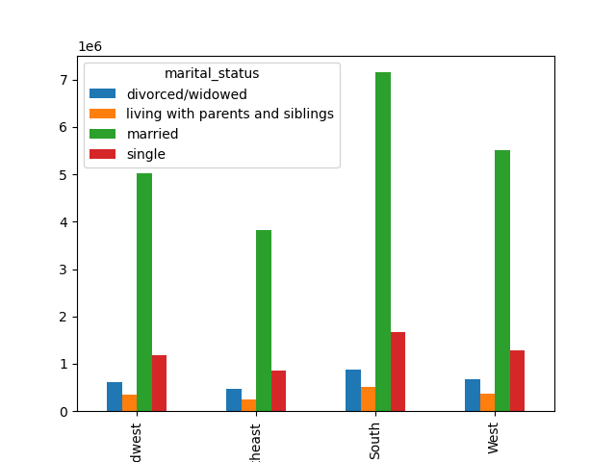
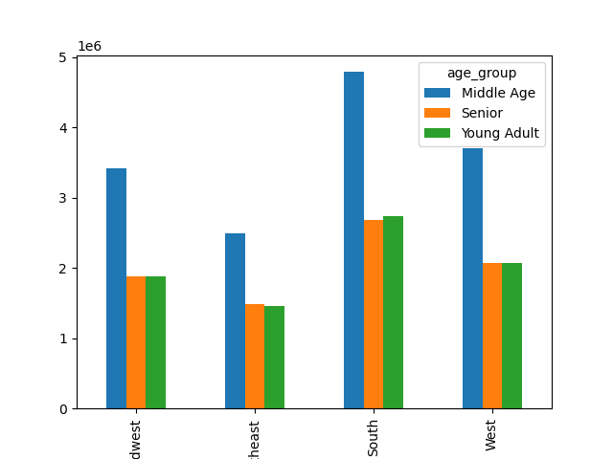
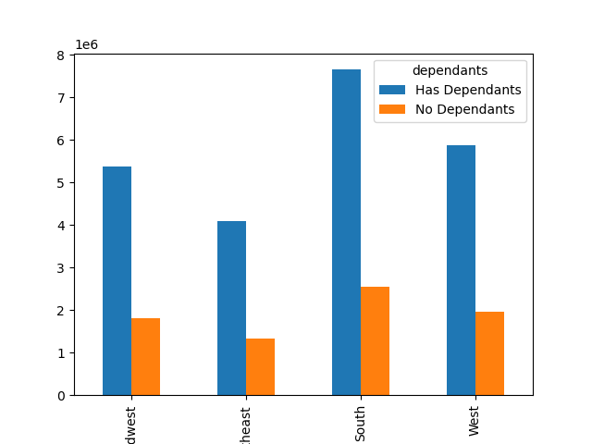
Title page

Visualisations

In this tab you should include all the visualtions from Exercises 4.9 and 4.10, alongside the questions from the project brief that they answer. Include any commentary on the relationship between different variables.

The busiest days of the week are Saturday and Sunday
Our busiest hours of each day are between 8AM and 4PM
Customers purchase the most high-priced items during the early morning



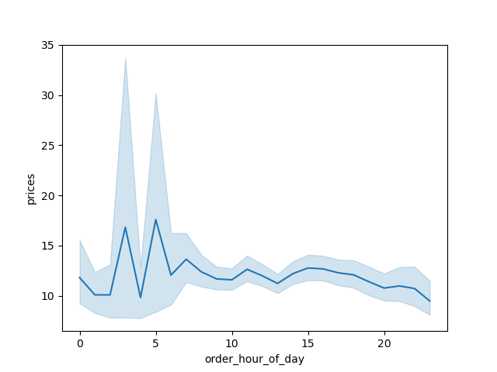

Produce and Dairy/Eggs are the most popular departments
In terms of Customer Loyalty, the majority of our customers are designated Regular Customers. New Customers make up the smallest portion.

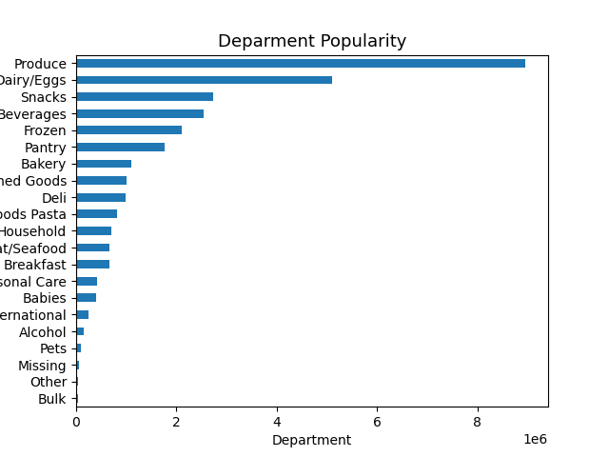

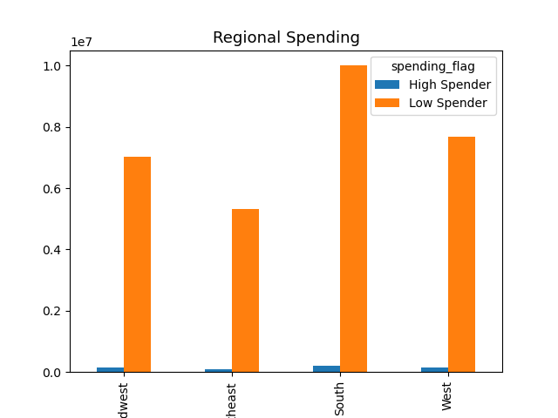

Our data consistently shows that the vast majority of our customers are designated as Low Spenders

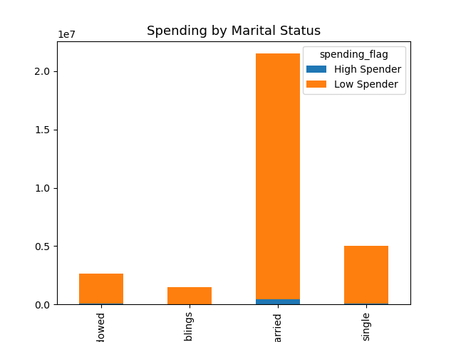

As shown below, the majority of our customers in all regions are middle-aged, married, earn middle-income, and have at least one dependant

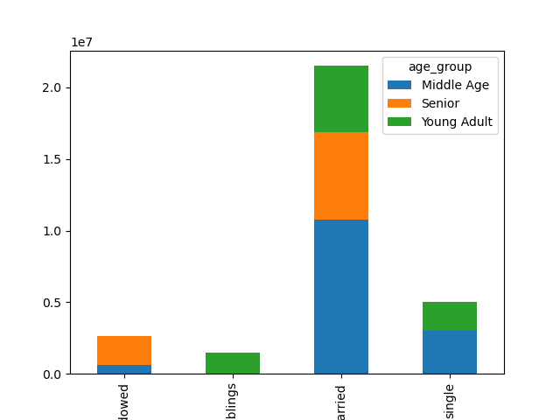
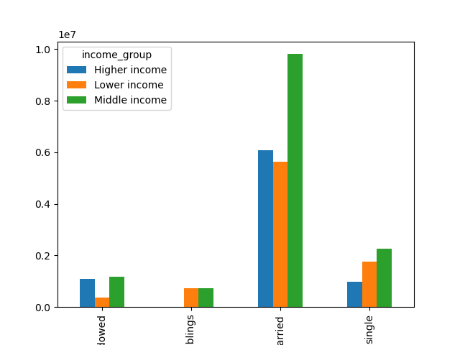

The Southern states make up the most of our customer base

7. Recommendations
 | Title page

Recommendations

Question
Q: The sales team needs to know what the busiest days of the week and hours of the
day are (i.e., the days and times with the most orders) in order to schedule ads at
Hour
times when there are fewer orders.
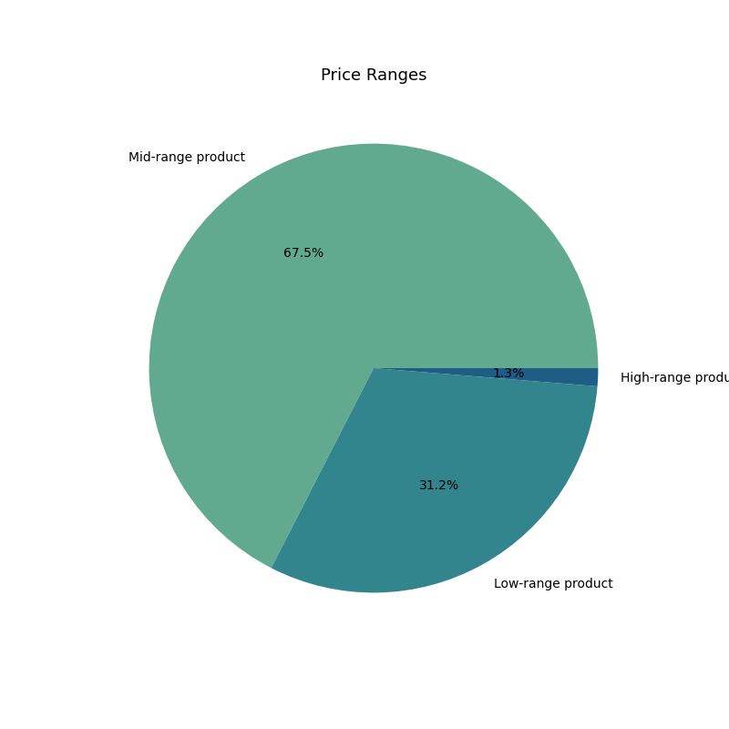
A: The busiest days of the week are Saturday and Sunday between the hours of 8am and 4pm
Q: They also want to know whether there are particular times of the day when people spend the most money, as this might inform the type of products they advertise at these times.

A: The most most money is spent in the very early morning
Q: Instacart has a lot of products with different price tags. Marketing and sales want to use simpler price range groupings to help direct their efforts.
A: We created simpler price range groupings to create a low/mid/high-range price scaling

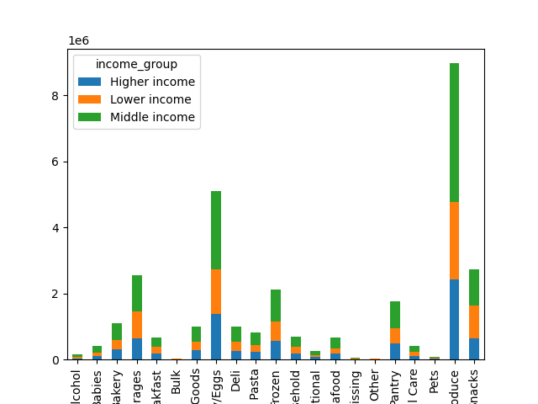
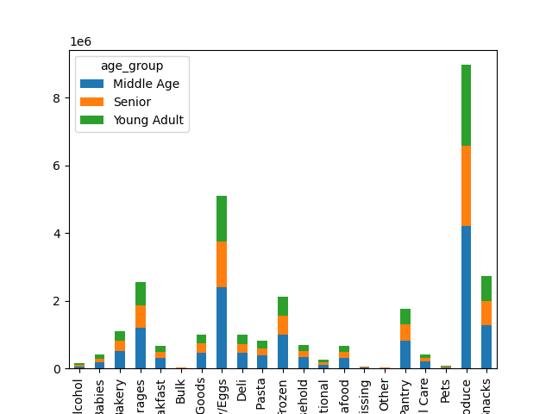
Q: Are there certain types of products that are more popular than others? The marketing and sales teams want to know which departments have the highest frequency of product orders.
A: Produce and Dairy/Eggs are consistently our most popular departments

Q: What’s the distribution among users in regards to their brand loyalty (i.e., how often do they return to Instacart)?
A: The majority of our customers are designated Regular Customers, then Loyal, then New

Q: Are there differences in ordering habits based on a customer’s region?

A: In terms of spending status, there is some variation in the number of customers by region, but the proportion of High to Low spenders remains consistent

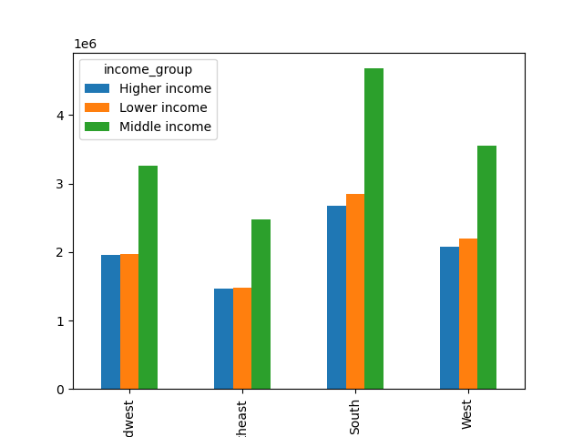

Q: The marketing and sales teams are particularly interested in the different types of customers in their system and how their ordering behaviors differ.

A: No matter the other demographics, the majority of our customer base is Married, Middle-Income, and have at least one dependant. These demographics purchase the most, and the most frequently.

